Initial Determination Worksheet
Field | Value | Value |  |  | Colors | Description
Station Description |  |  |  |  | Blue | free-form text
Callsign | WA4KFZ |  |  |  | Tan | dropdown list selection
Wavelength (band) {select from dropdown list} | 40m |  |  |  | Yellow | numeric input value
Setup number | 1 |  |  |  | Green | computed value
Setup description | Homebrew Vertical, HF
Station location | 14345 Brookmere Drive, Centreville, VA 20120
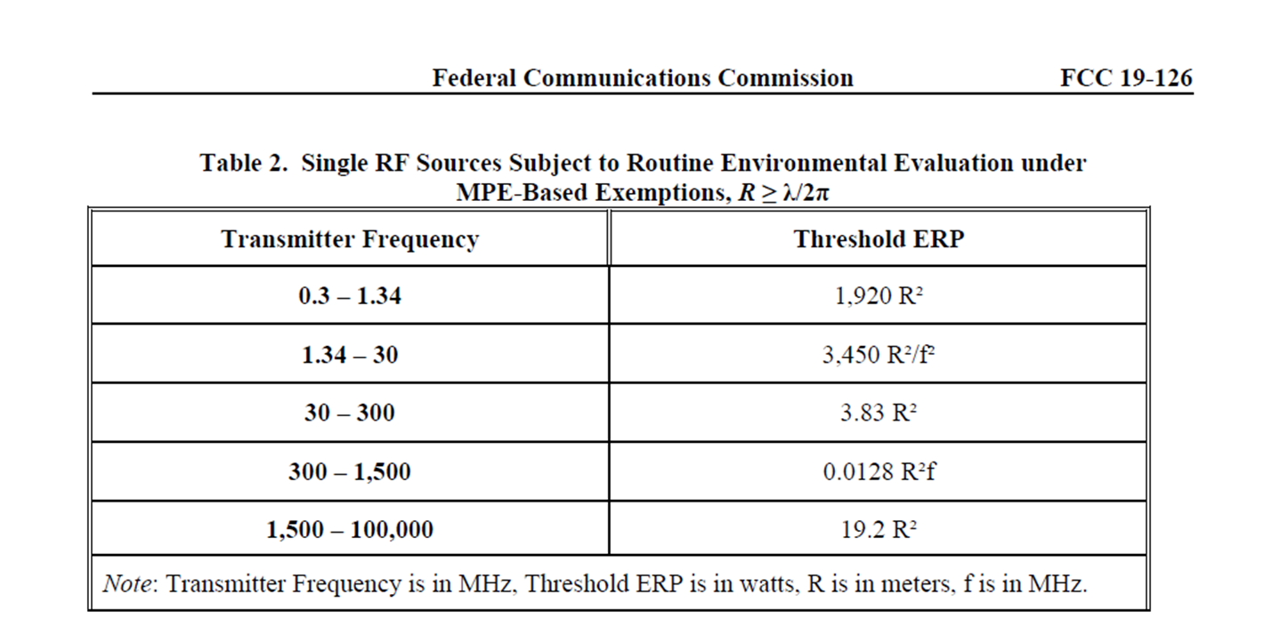
Evaluated by | Mark Braunstein
Date | 2022-01-22
Transmitter description | Icom IC-706MKIIG
External amplifier description | None
PEP output (W) | 100.00
PEP output (dBW) | 20.00
Losses from Transmitter to Antenna
Feed line type {select from dropdown list} | Coax
Feed line loss specification (dB/100ft) | 0.90
Feed line length (ft) | 50.00
Calculated feed line loss (dB) | 0.45
Other feed line components | MFJ-993BRT tuner (estimated loss)
Feed line components loss (dB) | 0.50
Maximum Power into the Antenna
PEP input to antenna (dBW) | 19.05 |  |  | from 19-126A1
PEP input to antenna (W) | 80.35
Distances from the Antenna
 | Meters | Feet
Distance from antenna to Uncontrolled location | 3.00 | 9.84
Distance from antenna to Controlled location | 2.50 | 8.20
What is the Near-field Radius for this Band?
 | Meters | Feet
Near Field Radius | 6.82 | 22.38
Are You in the Far-field for this Band?
Is Uncontrolled location distance > near field radius? | NO | If NO, run routine evaluation instead
Is Controlled location distance > near field radius? | NO | If NO, run routine evaluation instead
 |  |  | NEAR | FarFieldTestUncontrolled
 |  |  | NEAR | FarFieldTestControlled

Compliance Statements
Based upon the above estimates for an uncontrolled environment, a routine evaluation is not required.
Based upon the above estimates for a controlled environment, a routine evaluation is not required.

Routine Evaluation Worksheet
Field | Value | Value |  | Colors | Description
Antenna Parameters |  |  |  | Blue | free-form text
Antenna Description | Multiband vertical |  |  | Tan | dropdown list selection
 | Meters | Feet |  | Yellow | numeric input value
Antenna height above ground level {enter value} | 0.10 | 0.33 |  | Green | computed value
Antenna height above ground level (wavelengths) {reverse-order scale: 0-0.5, 0.5-1.0, 1.0-1.5, 1.5-2.0, >2.0} | 0.0
Lossless antenna gain (directivity, dBi) {enter value} | -2.22 | dBi
Lossless antenna gain (directivity, linear) | 0.5998 | (numeric)
Antenna efficiency (percent) {enter value} | 100 | percent
Antenna efficiency factor | 1.0 | (numeric)
Transmitter Parameters
Emission type {select from dropdown list} | FSK
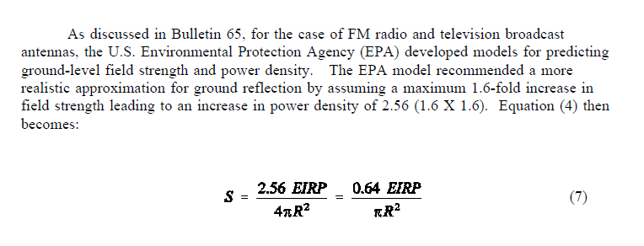
Emission type factor | 1.0 | (numeric)
Transmit On Time (minutes) | 4.0 | minutes
Transmit Off Time (minutes) | 2.0 | minutes
Transmit duty cycle (percent) {Use the maximum of either the 6 min or 30 min exposure cases} | 66.67 | percent
Duty cycle factor | 0.67 | (numeric)
Radiated Power Calculations
Average power input to the antenna (W) | 53.57 | Watts
Average radiated power (W) | 53.57 | Watts
Average radiated power (mW) | 53568.41 | milliWatts
Minimum Safe Distances
 | Meters | Feet
Min. necesssary distance from radiating part of antenna to place where public may be present (uncontrolled scenario, with ground reflections) | 0.42 | 1.38 | solve for R based on equation 7 and the power density limits from OET65B, Appendix A, Table 1.
Min. necesssary distance from radiating part of antenna to place where amateur radio operator may be present (controlled scenario, with ground reflections) | 0.19 | 0.62
Min. necesssary distance from radiating part of antenna to place where public may be present (uncontrolled scenario, no ground reflections) | 0.26 | 0.87 | solve for R based on equation 4 and the power density limits from OET65B, Appendix A, Table 1.
Min. necesssary distance from radiating part of antenna to place where amateur radio operator may be present (controlled scenario, no ground reflections) | 0.12 | 0.39
Actual Distances
Actual distance from radiating part of antenna to nearest place where public may be present (uncontrolled scenario) | 3.00 | 9.84
Actual distance from radiating part of antenna to nearest place where amateur radio operator may be present (controlled scenario) | 2.50 | 8.20
Calculated Power Flux Density
Calculated power flux density (at uncontrolled distance, with ground reflections) {cell turns red when limit exceeded} | 0.0727 | mW/cm2
Calculated power flux density (at controlled distance, with ground reflections) {cell turns red when limit exceeded} | 0.1047 | mW/cm2
Calculated power flux density(at uncontrolled distance, no ground reflections) {cell turns red when limit exceeded} | 0.0284 | mW/cm2
Calculated power flux density (at controlled distance, no ground reflections) {cell turns red when limit exceeded} | 0.0409 | mW/cm2

FCC Power Flux Density Limits
Power density limit (controlled) derived from OET65B, Appendix A, Table 1A at various frequency ranges | 18.3673 | mW/cm2
Power density limit (uncontrolled) derived from OET65B, Appendix A, Table 1B at various frequency ranges | 3.6735 | mW/cm2
Derived from OET65B, Appendix A, Table 1 at the various frequency ranges and automatically selected from the Dropdown List tab

Dropdown List
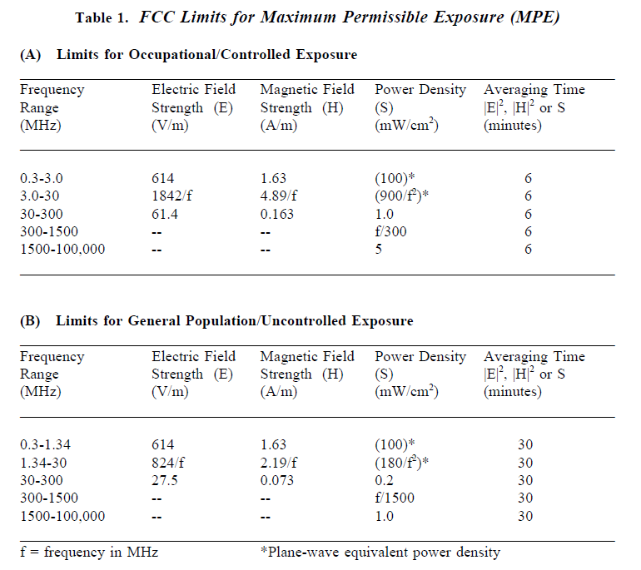
Feed Line Type | Bands | Power | Frequency_MHz | Power Density_Controlled | Power Density_Uncontrolled | Wavelength_m | Near_Field_Radius_m | Near_Field_Radius_ft | Threshold_ERP_Uncontrolled | Threshold_ERP_Controlled | Emission Type | Emission Type Factor
Ideal/Lossless | 160m | 500 | 1.8 | 100 | 55.555555556 | 166.66666667 | 26.525823849 | 87.026983916 | 9583.3333333 | 6655.0925926 | CW Morse Telegraphy | 0.40
Coax | 80m | 500 | 3.5 | 73.469387755 | 14.693877551 | 85.714285714 | 13.641852265 | 44.756734585 | 2534.6938776 | 1760.2040816 | SSB voice | 0.20
Ladder Line | 75m | 500 | 3.9 | 59.171597633 | 11.834319527 | 76.923076923 | 12.24268793 | 40.166300269 | 2041.4201183 | 1417.65286 | SSB voice, heavy speech processing | 0.50
Hardline | 40m | 500 | 7 | 18.367346939 | 3.6734693878 | 42.857142857 | 6.8209261325 | 22.378367293 | 633.67346939 | 440.05102041 | SSB AFSK | 1.00
 | 30m | 425 | 10.1 | 8.8226644447 | 1.7645328889 | 29.702970297 | 4.7273745473 | 15.50975951 | 304.38192334 | 211.37633565 | SSB SSTV | 1.00
 | 20m | 225 | 14 | 4.5918367347 | 0.91836734694 | 21.428571429 | 3.4104630663 | 11.189183646 | 158.41836735 | 110.0127551 | FM voice or data | 1.00
 | 17m | 125 | 18.1 | 2.7471688898 | 0.54943377797 | 16.574585635 | 2.6379272336 | 8.654617185 | 94.777326699 | 65.817587986 | FSK | 1.00
 | 15m | 100 | 21 | 2.0408163265 | 0.40816326531 | 14.285714286 | 2.2736420442 | 7.4594557642 | 70.408163265 | 48.894557823 | AM voice, 50% modulation | 0.50
 | 12m | 75 | 24.9 | 1.4515894905 | 0.2903178981 | 12.048192771 | 1.9175294348 | 6.291107271 | 50.079837422 | 34.777664876 | AM voice, 100% modulation | 0.30
 | 10m | 50 | 28 | 1.1479591837 | 0.22959183673 | 10.714285714 | 1.7052315331 | 5.5945918231 | 39.604591837 | 27.503188776 | ATV, video portion, image | 0.60
 | 6m | 50 | 50 | 1 | 0.2 | 6 | 0.95492965855 | 3.132971421 | 12.42 | 8.625 | ATV, video portion, black screen | 0.80
 | 2m | 50 | 144 | 1 | 0.2 | 2.0833333333 | 0.33157279811 | 1.0878372989 | 1.4973958333 | 1.0398582176 | Continuous carrier | 1.00
 | 1.25m | 50 | 222 | 1 | 0.2 | 1.3513513514 | 0.21507424742 | 0.70562419391 | 0.63002191381 | 0.43751521792
 | 70cm | 70 | 430 | 1.4333333333 | 0.28666666667 | 0.6976744186 | 0.11103833239 | 0.36429900244 | 0.16792861006 | 0.11661709032
 | 33cm | 150 | 902 | 3.0066666667 | 0.60133333333 | 0.33259423503 | 0.052934016549 | 0.17366803886 | 0.038163529186 | 0.026502450824
 | 23cm | 200 | 1240 | 4.1333333333 | 0.82666666667 | 0.24193548387 | 0.038505228167 | 0.12632949278 | 0.020193808533 | 0.014023478148
 | 13cm | 250 | 2300 | 5 | 1 | 0.13043478261 | 0.020759340403 | 0.068108074369 | 0.0058695652174 | 0.0040760869565
 | SHF | 250 | 5650 | 5 | 1 | 0.053097345133 | 0.0084507049429 | 0.027725410805 | 0.00097266818075 | 0.00067546401441
 | EHF | 250 | 10000 | 5 | 1 | 0.03 | 0.0047746482928 | 0.015664857105 | 0.0003105 | 0.000215625
 |  |  |  |  |  |  |  |  |  |  |  |  | from OET65B, Appendix A, Table 1

 |  |  |  |  |  |  |  |  | Refer to the new Table 2 that replaces the old Table 1
 |  |  |  |  |  |  |  |  | V_1=uncontrolled distance
 |  |  |  |  |  |  |  |  | W_1=controlled distance

 |  |  |  |  |  |  |  |  |  |  |  |  | from 19-126A1

